C-01
Spending by Category
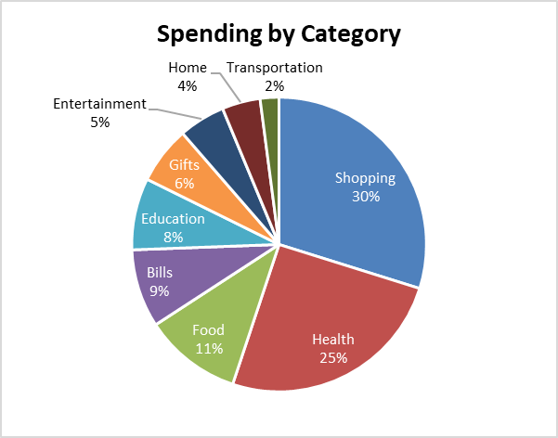
Category | Final Amount |  | CREATE CHARTS TO MATCH THE EXAMPLES | EXAMPLES
Shopping | $1,281.79
Health | $1,086.26 | 1
Food | $460.58
Bills | $369.32
Education | $338.93
Gifts | $271.58
Entertainment | $219.44
Home | $180.32
Transportation | $89.08

Spending by Category
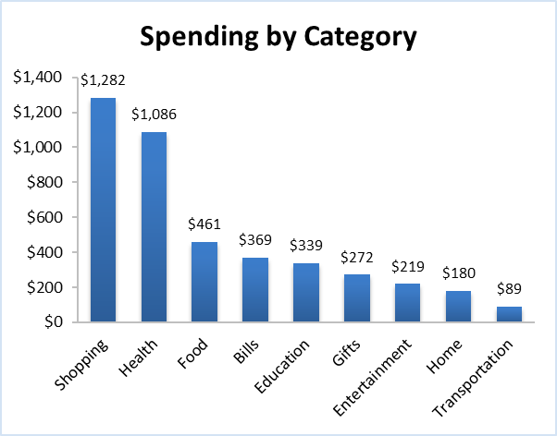
 |  | 2

Spending by Category
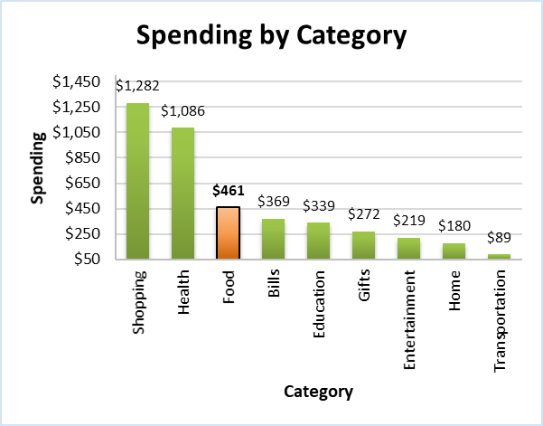
 |  | 3

C-02
Net Income Over Time
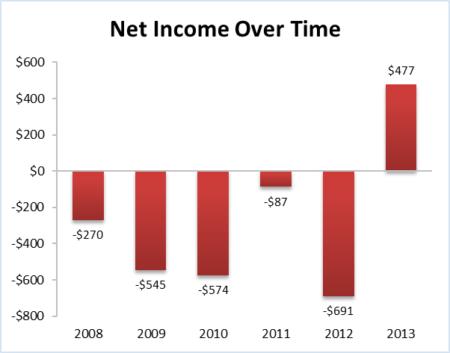
Year | Net Income |  | CREATE CHARTS TO MATCH THE EXAMPLES | EXAMPLES
2008 | -$270.49 | 1
2009 | -$545.31
2010 | -$573.54
2011 | -$86.90
2012 | -$690.87
2013 | $477.37

Net Income Over Time
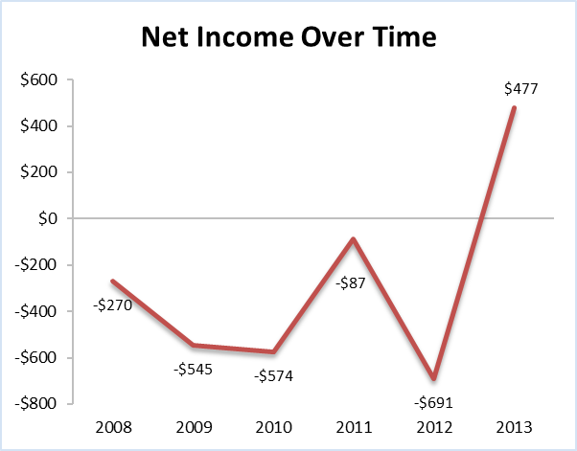
 |  | 2

Net Income Over Time
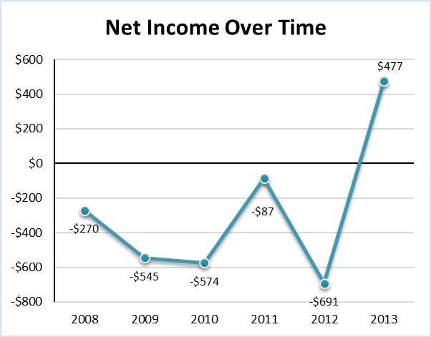
 |  | 3

C-03
Annual Spending by Category (Cluster)
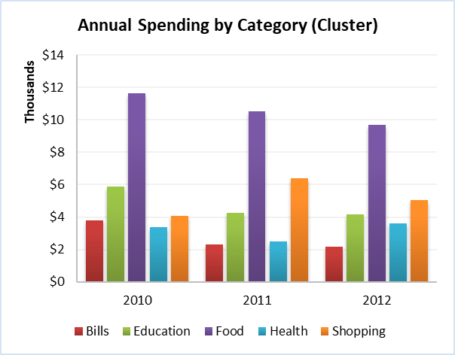
Category | 2010 | 2011 | 2012 |  | CREATE CHARTS TO MATCH THE EXAMPLES | EXAMPLES
Bills | $3,785.58 | $2,291.99 | $2,145.34 | 1
Education | $5,893.99 | $4,242.89 | $4,150.56
Food | $11,655.46 | $10,520.33 | $9,714.33
Health | $3,379.32 | $2,504.89 | $3,607.44
Shopping | $4,075.61 | $6,415.39 | $5,046.72

Annual Spending by Category (Stacked)
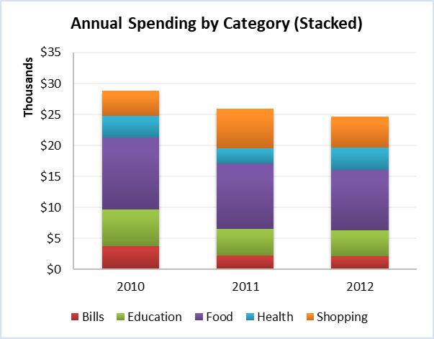
 |  |  |  | 2

Annual Spending by Category (100% Stacked)
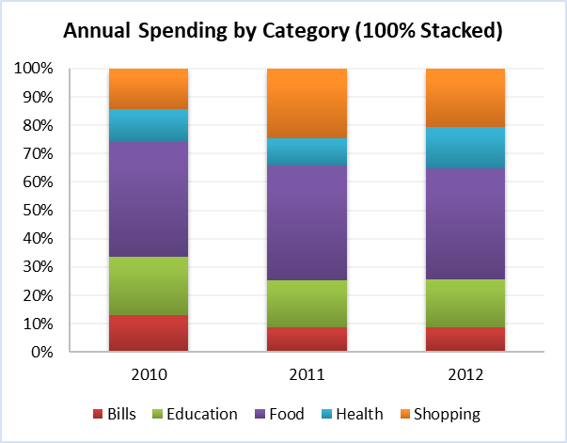
 |  |  |  | 3

Annual Spending by Category (100% Stacked)
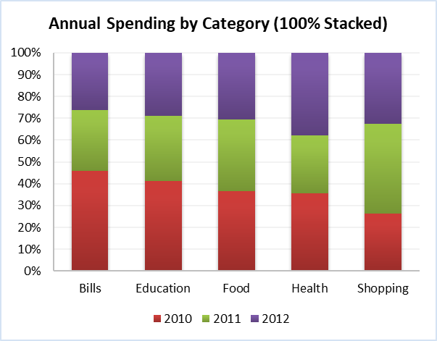
 |  |  |  | 4

C-Scatter
Transaction Time | Final Amount |  | CREATE CHARTS TO MATCH THE EXAMPLES |  |  | EXAMPLES
4:56:37 | $86.90 |  | HINT: 1 = 24 hours in Excel | Hours | Value
4:58:00 | $18.47 |  |  | 1 | 0.041666666667
5:39:17 | $248.75
Spending by Time of Day
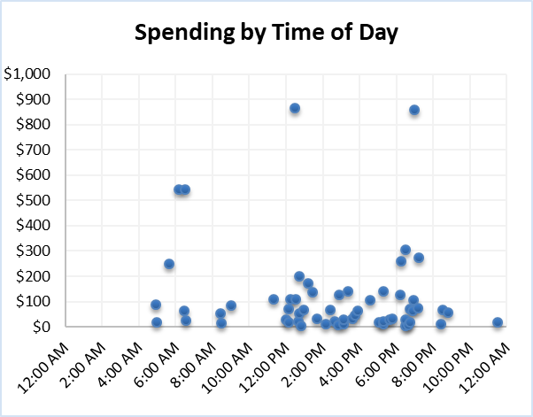
6:09:29 | $543.13 | 1
6:27:26 | $64.09
6:30:07 | $543.13
6:32:25 | $26.07
8:26:10 | $54.31
8:28:43 | $13.04
9:01:14 | $84.73
11:18:27 | $108.63
12:00:00 | $27.16
12:08:23 | $70.61
12:10:04 | $17.38
12:14:24 | $108.63
12:28:48 | $864.28
12:30:55 | $108.63
12:40:18 | $22.81
12:43:12 | $52.14
Spending by Time of Day
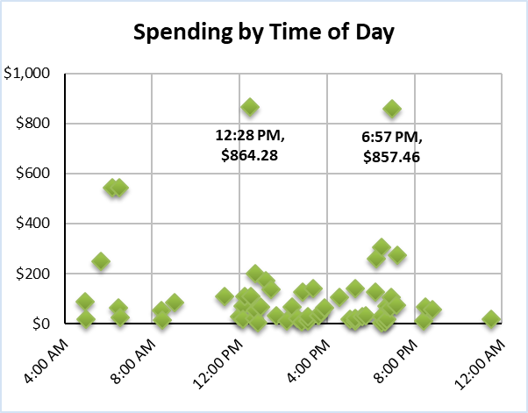
12:43:12 | $199.02 | 2
12:50:28 | $3.26
12:57:36 | $65.18
13:12:00 | $171.12
13:26:24 | $138.26
13:40:48 | $31.50
14:09:36 | $10.86
14:24:00 | $66.26
14:38:24 | $20.64
14:49:40 | $7.60
14:52:48 | $125.86
15:07:12 | $11.95
15:07:12 | $27.16
15:21:36 | $141.21
15:36:00 | $30.42
15:43:52 | $44.54
15:53:33 | $64.09
16:33:48 | $105.37
17:02:24 | $18.47
17:16:48 | $10.86
17:16:48 | $141.21
17:16:48 | $20.64
17:36:36 | $27.16
17:45:36 | $30.42
18:13:52 | $124.92
18:14:24 | $259.16
18:28:48 | $5.43
18:28:48 | $27.16
18:28:48 | $304.15
18:39:41 | $7.60
18:43:12 | $17.38
18:43:12 | $71.69
18:53:29 | $64.09
18:56:42 | $105.37
18:57:36 | $857.46
19:10:23 | $73.87
19:12:00 | $273.74
20:24:19 | $11.95
20:30:56 | $65.18
20:48:03 | $56.49
23:29:45 | $18.47

PT-Accounts and Subcat
Type | Expense |  |  |  | CREATE PIVOT CHART TO MATCH THE EXAMPLE | EXAMPLE
Spending by Subcat & Account
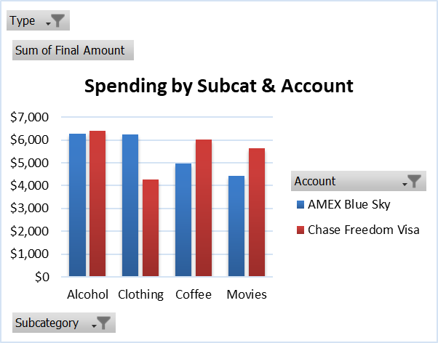
Sum of Final Amount | Column Labels |  |  | 1
Row Labels | AMEX Blue Sky | Chase Freedom Visa | Grand Total
Alcohol | $6,286.44 | $6,397.50 | $12,683.94
Clothing | $6,225.47 | $4,283.14 | $10,508.62
Coffee | $4,976.68 | $6,020.79 | $10,997.46
Movies | $4,437.75 | $5,647.35 | $10,085.09
Grand Total | $21,926.34 | $22,348.77 | $44,275.11

Top 5 Dashboard
Top 5 Dashboard

Payee | Final Amount | Subcategory | Final Amount | Month | Final Amount
Trader Joe's | $18,631.78 | Groceries | $18,631.78 | Jul | $22,095.78
Skillshare | $19,288.29 | Professional Development | $19,288.29 | May | $22,375.57
MTA | $19,300.27 | Subway | $19,300.27 | Dec | $22,827.84
City Bakery | $19,348.18 | Coffee | $19,348.18 | Oct | $23,568.83
Moe's Tavern | $19,877.31 | Alcohol | $19,877.31 | Nov | $25,055.40
Grand Total | $96,445.83 | Grand Total | $96,445.83 | Grand Total | $115,923.42
Top 5 Payees
Top 5 Subcategories
Top 5 Months

PT-EP1
Type | Expense |  |  | 1 | Show the monthly trends of spending by category.

Sum of Final Amount | Column Labels
Row Labels | Bills | Education | Entertainment | Food | Health | Home | Shopping | Transportation | Grand Total
Jan | $1,782.28 | $1,700.63 | $1,298.88 | $2,865.59 | $1,043.02 | $1,707.16 | $4,334.31 | $1,351.14 | $16,083.02
Feb | $1,144.28 | $2,888.45 | $2,339.72 | $2,206.90 | $1,056.09 | $1,739.82 | $1,118.15 | $1,290.17 | $13,783.57
Mar | $1,033.22 | $2,127.42 | $3,044.15 | $4,606.50 | $1,273.84 | $302.67 | $2,213.43 | $1,258.60 | $15,859.82
Apr | $1,846.52 | $2,673.97 | $3,534.08 | $4,107.85 | $861.20 | $770.84 | $2,585.78 | $2,147.02 | $18,527.26
May | $1,270.57 | $4,240.68 | $3,415.41 | $4,102.41 | $1,893.34 | $2,166.61 | $1,295.61 | $1,753.98 | $20,138.61
Jun | $492.12 | $3,727.88 | $3,592.88 | $5,096.44 | $924.35 | $487.76 | $2,403.96 | $1,390.33 | $18,115.71
Jul | $1,930.35 | $3,349.00 | $2,365.85 | $6,694.72 | $1,885.72 | $161.14 | $2,018.54 | $1,640.75 | $20,046.07
Aug | $1,771.40 | $1,666.88 | $3,796.47 | $3,979.38 | $2,305.97 | $1,082.22 | $1,861.76 | $1,910.76 | $18,374.83
Sep | $2,712.08 | $2,016.37 | $2,201.45 | $5,257.57 | $902.57 | $1,254.24 | $3,435.01 | $496.47 | $18,275.76
Oct | $2,770.87 | $2,739.30 | $3,092.05 | $4,356.09 | $1,843.25 | $1,625.50 | $3,281.49 | $1,395.78 | $21,104.33
Nov | $933.06 | $2,562.92 | $4,690.34 | $4,290.76 | $3,179.15 | $1,131.21 | $3,512.31 | $1,694.09 | $21,993.84
Dec | $692.45 | $2,925.47 | $4,005.51 | $4,220.00 | $1,092.02 | $2,046.85 | $3,303.27 | $2,971.20 | $21,256.76
Grand Total | $18,379.19 | $32,618.95 | $37,376.79 | $51,784.22 | $18,260.52 | $14,476.02 | $31,363.62 | $19,300.27 | $223,559.57
Monthly Spending by Category

PT-EP2
Type | Expense |  |  |  | 2 | Show a breakdown of avg tax spending by account and time block.

Average of Tax | Column Labels
Row Labels | AMEX Blue Sky | Cash | Chase Freedom Visa | Grand Total
Early Morning | $23.57 | $22.77 | $23.25 | $23.19
Morning | $21.75 | $19.87 | $22.62 | $21.47
Late Morning | $19.09 | $25.15 | $24.57 | $22.70
Afternoon | $24.01 | $21.37 | $23.72 | $22.97
Evening | $21.22 | $22.33 | $21.92 | $21.83
Night | $20.60 | $22.64 | $20.67 | $21.34
Grand Total | $21.92 | $22.17 | $22.49 | $22.20
Avg Tax Spending by Account & Time Block

PT-EP3
 |  | 3 | *Show the top 10 payees relative to each other, and group together payees less than 9%.
 |  |  | HINT: Use Pie of Pie Chart.
Top 10 Payees
Row Labels | Sum of Final Amount
Moe's Tavern | $19,877.31
City Bakery | $19,348.18
MTA | $19,300.27
Skillshare | $19,288.29
Trader Joe's | $18,631.78
Con Edison | $18,379.19
Freelancer's Union | $18,260.52
Fandango | $17,499.48
Express | $16,310.56
Amazon.com | $15,053.06
Grand Total | $181,948.63

