C-01
Spending by Category
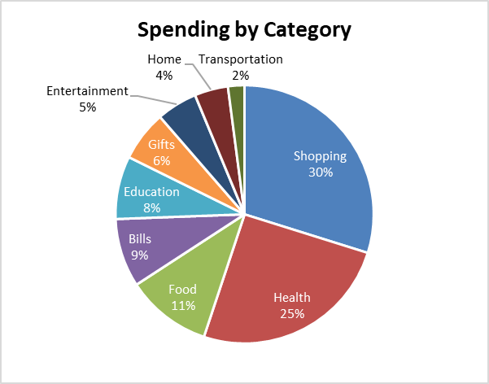
Category | Final Amount |  | CREATE CHARTS TO MATCH THE EXAMPLES | EXAMPLES
Shopping | $1,281.79
Health | $1,086.26 | 1
Food | $460.58
Bills | $369.32
Education | $338.93
Gifts | $271.58
Entertainment | $219.44
Home | $180.32
Transportation | $89.08

Spending by Category
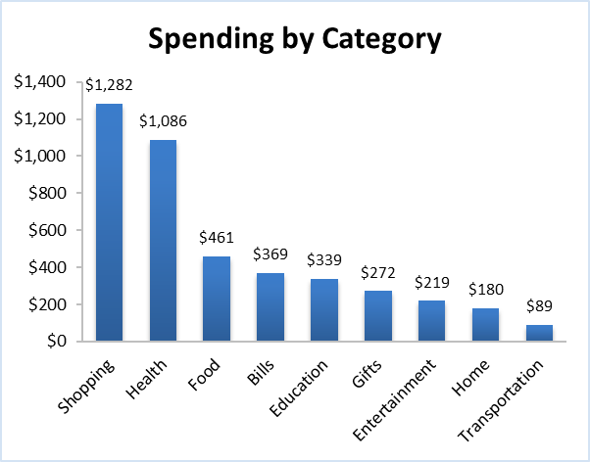
 |  | 2

Spending by Category
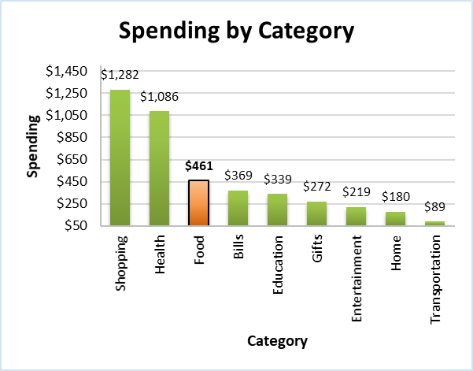
 |  | 3

C-02
Net Income Over Time
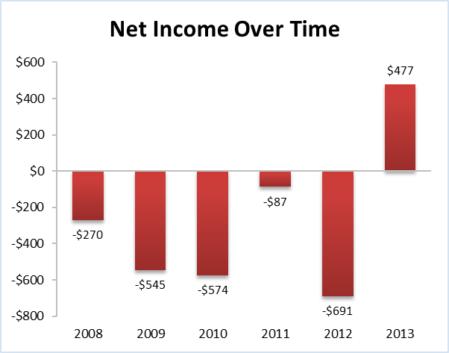
Year | Net Income |  | CREATE CHARTS TO MATCH THE EXAMPLES | EXAMPLES
2008 | -$270.49 | 1
2009 | -$545.31
2010 | -$573.54
2011 | -$86.90
2012 | -$690.87
2013 | $477.37

Net Income Over Time
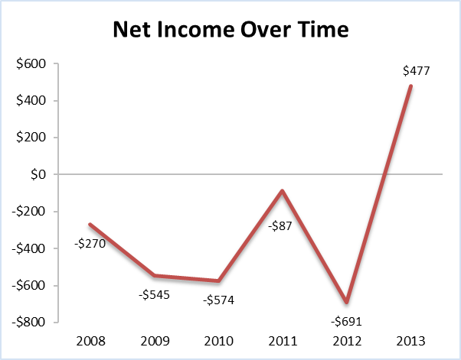
 |  | 2

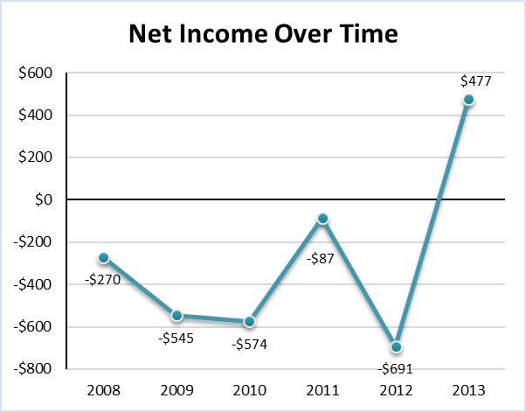
 |  | 3

C-03
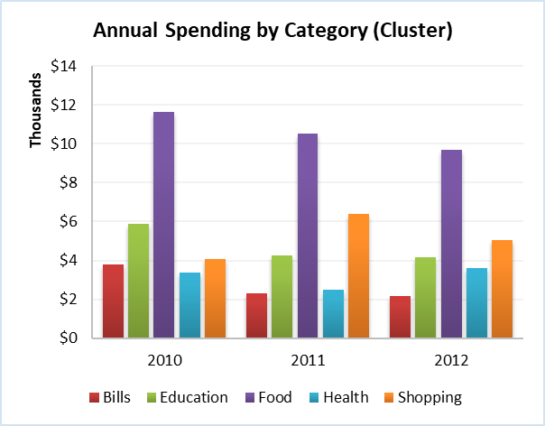
Category | 2010 | 2011 | 2012 |  | CREATE CHARTS TO MATCH THE EXAMPLES | EXAMPLES
Bills | $3,785.58 | $2,291.99 | $2,145.34 | 1
Education | $5,893.99 | $4,242.89 | $4,150.56
Food | $11,655.46 | $10,520.33 | $9,714.33
Health | $3,379.32 | $2,504.89 | $3,607.44
Shopping | $4,075.61 | $6,415.39 | $5,046.72

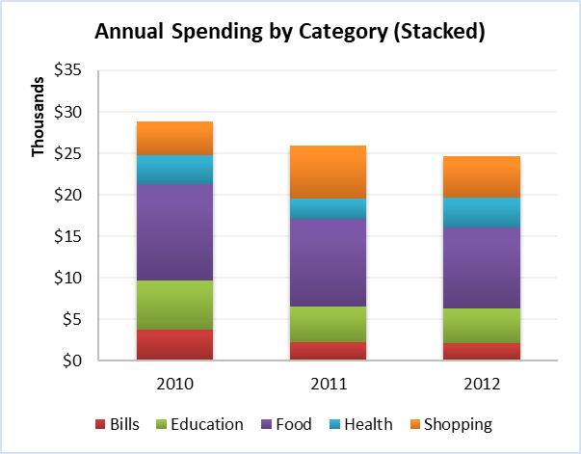
 |  |  |  | 2

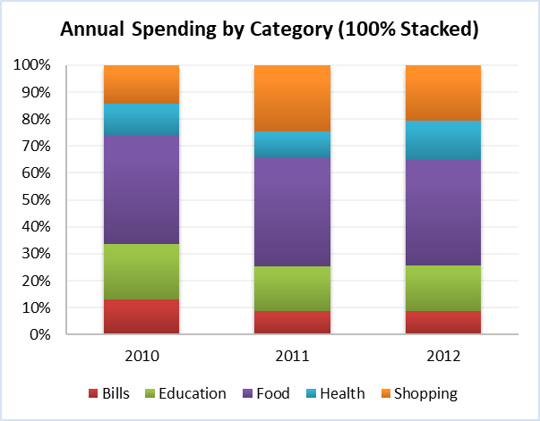
 |  |  |  | 3

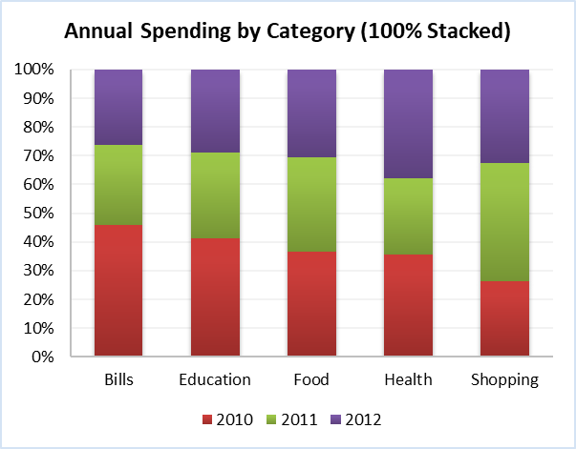
 |  |  |  | 4

C-Scatter
Transaction Time | Final Amount |  | CREATE CHARTS TO MATCH THE EXAMPLES |  |  | EXAMPLES
4:56:37 | $86.90 |  | HINT: 1 = 24 hours in Excel | Hours | Value
4:58:00 | $18.47 |  |  | 1 | 0.041666666667
5:39:17 | $248.75
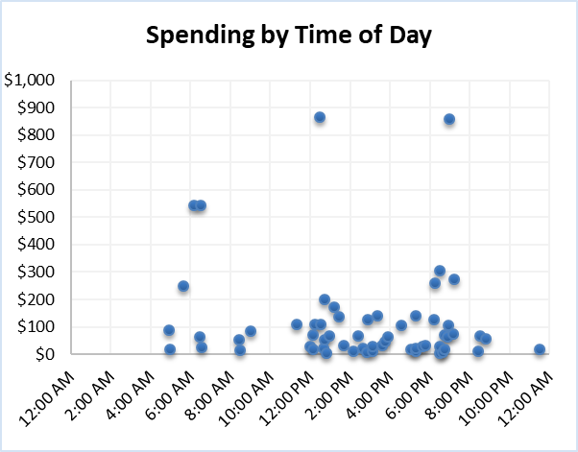
6:09:29 | $543.13 | 1
6:27:26 | $64.09
6:30:07 | $543.13
6:32:25 | $26.07
8:26:10 | $54.31
8:28:43 | $13.04
9:01:14 | $84.73
11:18:27 | $108.63
12:00:00 | $27.16
12:08:23 | $70.61
12:10:04 | $17.38
12:14:24 | $108.63
12:28:48 | $864.28
12:30:55 | $108.63
12:40:18 | $22.81
12:43:12 | $52.14
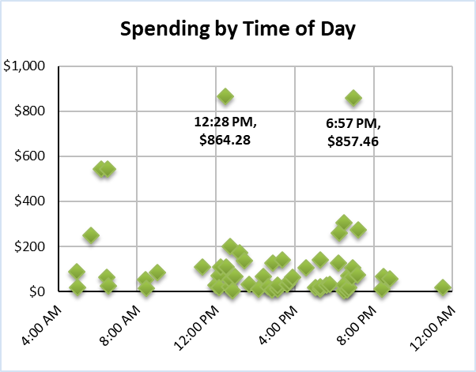
12:43:12 | $199.02 | 2
12:50:28 | $3.26
12:57:36 | $65.18
13:12:00 | $171.12
13:26:24 | $138.26
13:40:48 | $31.50
14:09:36 | $10.86
14:24:00 | $66.26
14:38:24 | $20.64
14:49:40 | $7.60
14:52:48 | $125.86
15:07:12 | $11.95
15:07:12 | $27.16
15:21:36 | $141.21
15:36:00 | $30.42
15:43:52 | $44.54
15:53:33 | $64.09
16:33:48 | $105.37
17:02:24 | $18.47
17:16:48 | $10.86
17:16:48 | $141.21
17:16:48 | $20.64
17:36:36 | $27.16
17:45:36 | $30.42
18:13:52 | $124.92
18:14:24 | $259.16
18:28:48 | $5.43
18:28:48 | $27.16
18:28:48 | $304.15
18:39:41 | $7.60
18:43:12 | $17.38
18:43:12 | $71.69
18:53:29 | $64.09
18:56:42 | $105.37
18:57:36 | $857.46
19:10:23 | $73.87
19:12:00 | $273.74
20:24:19 | $11.95
20:30:56 | $65.18
20:48:03 | $56.49
23:29:45 | $18.47

PT-Accounts and Subcat
Type | Expense |  |  |  | CREATE PIVOT CHART TO MATCH THE EXAMPLE | EXAMPLE

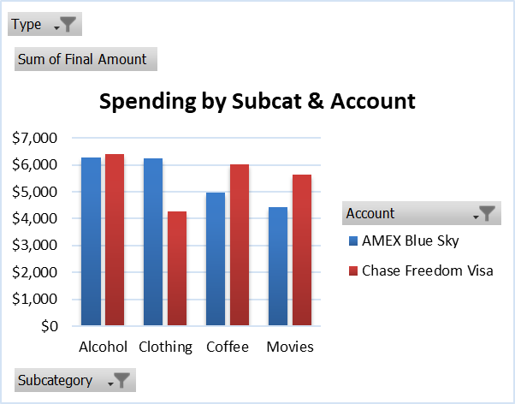
Sum of Final Amount | Column Labels |  |  | 1
Row Labels | AMEX Blue Sky | Chase Freedom Visa | Grand Total
Alcohol | $6,286.44 | $6,397.50 | $12,683.94
Clothing | $6,225.47 | $4,283.14 | $10,508.62
Coffee | $4,976.68 | $6,020.79 | $10,997.46
Movies | $4,437.75 | $5,647.35 | $10,085.09
Grand Total | $21,926.34 | $22,348.77 | $44,275.11

