A5) Insert Cells
 |  | A5) Insert Cells
 |  | Match the Example
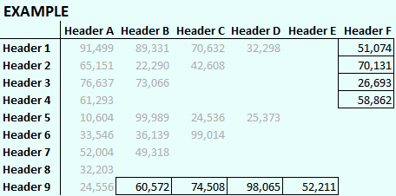
 | Header A | Header B | Header C | Header D | Header E | Header F
Header 1 | 91,499 | 89,331 | 70,632 | 32,298 | 51,074
Header 2 | 65,151 | 22,290 | 42,608 | 70,131
Header 3 | 76,637 | 73,066 | 26,693
Header 4 | 61,293 | 58,862
Header 5 | 10,604 | 99,989 | 24,536 | 25,373 | 52,211
Header 6 | 33,546 | 36,139 | 99,014 | 98,065
Header 7 | 52,004 | 49,318 | 74,508
Header 8 | 32,203 | 60,572
Header 9 | 24,556

A5) Delete Cells
 |  | A5) Delete Cells
 |  | Match the Example
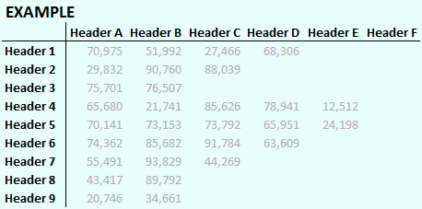
 | Header A | Header B | Header C | Header D | Header E | Header F
Header 1 | 42,528 | 70,975 | 51,992 | 27,466 | 68,306
Header 2 | 29,832 | 34,615 | 38,177 | 90,760 | 88,039
Header 3 | 75,701 | 76,507 | 87,830 | 29,244 | 71,945
Header 4 | 65,680 | 21,741 | 85,626 | 78,941 | 12,512
Header 5 | 70,141 | 73,153 | 73,792 | 65,951 | 96,581
Header 6 | 74,362 | 85,682 | 91,784 | 79,054 | 49,647
Header 7 | 55,491 | 93,829 | 94,864 | 26,708 | 90,002
Header 8 | 43,417 | 89,792 | 86,454 | 55,031 | 26,515
Header 9 | 20,746 | 34,661 | 44,269 | 63,609 | 24,198

A5) Insert Columns
 | A5) Insert Columns
 | Match the Example
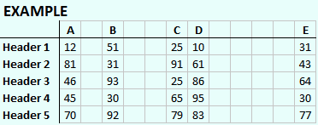
 | A | B | C | D | E
Header 1 | 12 | 51 | 25 | 10 | 31
Header 2 | 81 | 31 | 91 | 61 | 43
Header 3 | 46 | 93 | 25 | 86 | 64
Header 4 | 45 | 30 | 65 | 95 | 30
Header 5 | 70 | 92 | 79 | 83 | 77

A5) Delete Columns
 | A5) Delete Columns
 | Match the Example
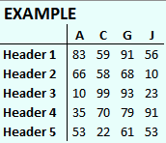
 | A | B | C | D | E | F | G | H | I | J
Header 1 | 83 | 52 | 59 | 66 | 17 | 98 | 91 | 53 | 87 | 56
Header 2 | 66 | 74 | 58 | 52 | 29 | 17 | 68 | 56 | 65 | 10
Header 3 | 10 | 87 | 99 | 43 | 83 | 29 | 93 | 17 | 46 | 23
Header 4 | 35 | 27 | 70 | 44 | 73 | 37 | 79 | 48 | 58 | 91
Header 5 | 53 | 95 | 22 | 39 | 77 | 40 | 61 | 19 | 38 | 53

A5) Insert Rows
 |  | A5) Insert Rows
 |  | Match the Example
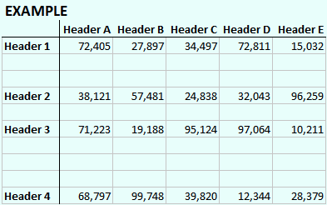
 | Header A | Header B | Header C | Header D | Header E
Header 1 | 72,405 | 27,897 | 34,497 | 72,811 | 15,032
Header 2 | 38,121 | 57,481 | 24,838 | 32,043 | 96,259
Header 3 | 71,223 | 19,188 | 95,124 | 97,064 | 10,211
Header 4 | 68,797 | 99,748 | 39,820 | 12,344 | 28,379

